Sheet2
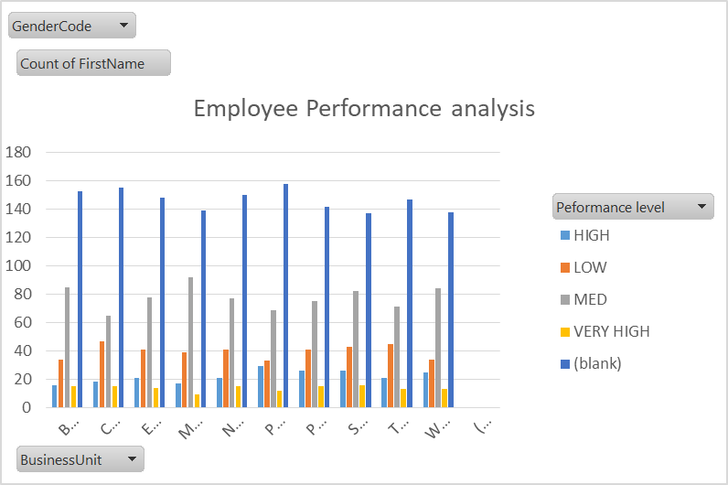
GenderCode | (All)

Count of FirstName | Column Labels
Row Labels | HIGH | LOW | MED | VERY HIGH | (blank) | Grand Total
BPC | 3 | 6 | 26 | 3 | 50 | 88
CCDR | 6 | 17 | 22 | 3 | 47 | 95
EW | 9 | 14 | 24 | 5 | 48 | 100
MSC | 8 | 15 | 31 | 3 | 41 | 98
NEL | 9 | 18 | 30 | 7 | 62 | 126
PL | 9 | 8 | 23 | 7 | 43 | 90
PYZ | 8 | 10 | 19 | 5 | 53 | 95
SVG | 7 | 15 | 30 | 5 | 49 | 106
TNS | 3 | 14 | 25 | 9 | 47 | 98
WBL | 6 | 13 | 33 | 6 | 54 | 112
Grand Total | 68 | 130 | 263 | 53 | 494 | 1008

